Triangle - Smoothed DSG
Problem setup.
Clamped along left edge, surface pressure
 |  |  | p2

 |  |  |  |  |  | p3

 |  |  | p1

Node order 1: p3, p2, p1
Smoothed DSG |  |  |  |  | Original DSG
Z-disp = | -0.5 |  |  |  | Z-disp = | -0.5
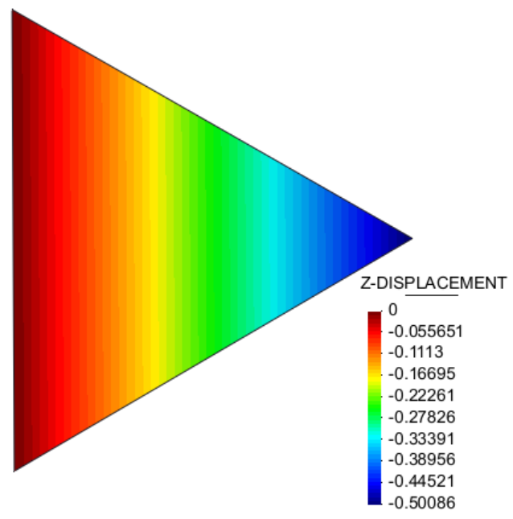
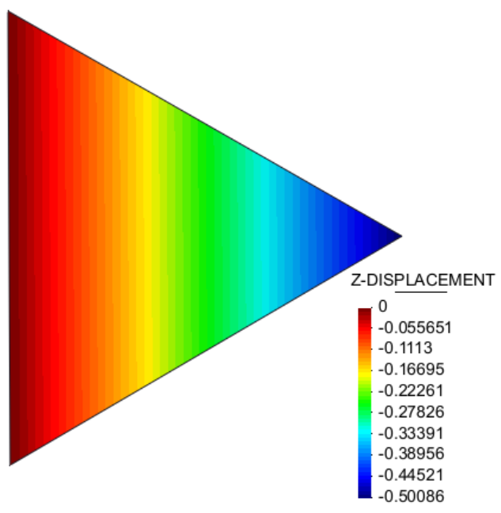

Node order 2: p2, p1, p3
Smoothed DSG |  |  |  |  | Original DSG
Z-disp = | -0.5 |  |  |  | Z-disp = | -0.8

Node order 3: p1, p3, p2
Smoothed DSG |  |  |  |  | Original DSG
Z-disp = | -0.5 |  |  |  | Z-disp = | -0.8
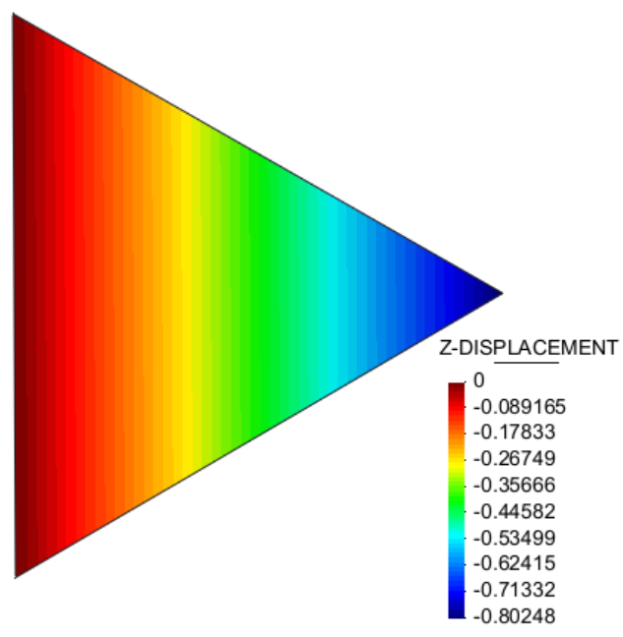

Scordelis Lo Roof structured mesh
All done with corotated formulation
Reference solution |  |  | -0.3024 |  |  | Percentage of reference
Refinement level | Nodes | Elements | Original DSG | smoothedDSG | Ref | Original DSG | smoothedDSG | Ref
1 |  | 64 | -0.26 | -0.26 | -0.30 | 86.07% | 84.51% | 1.00
2 |  | 256 | -0.28 | -0.28 | -0.30 | 93.96% | 93.26% | 1.00
2_5 |  | 560 | -0.30 | -0.30 | -0.30 | 97.78% | 97.85% | 1.00
3 |  | 1024 | -0.30 | -0.30 | -0.30 | 98.11% | 97.78% | 1.00
Scordelis Lo Roof structured mesh

Pinched Hemisphere
All done with corotated formulation
Reference solution |  |  | 0.0924 |  |  | Percentage of reference
Refinement level | Nodes | Elements | Original DSG | smoothedDSG | Ref | Original DSG | smoothedDSG | Ref
1 |  | 64 | 0.0887 | 0.0940 | 0.0924 | 96.03% | 101.76% | 100.00%
2 |  | 256 | 0.0905 | 0.0924 | 0.0924 | 97.96% | 100.02% | 100.00%
3 |  | 1024 | 0.0906 | 0.0913 | 0.0924 | 98.08% | 98.76% | 100.00%
4 |  | 1600 | 0.0898 | 0.0902 | 0.0924 | 97.17% | 97.65% | 100.00%

Pinched Hemisphere

